1. Title Page
Instacart Basket Analysis

Project Name: Instacart Basket Analysis
Date: 2023-06-01
Analyst Name: Johnny Tillqvist

Contents:
Population Flow
Consistency checks
Wrangling steps
Column derivations
Visualizations
Recommendations

Data Citation: “The Instacart Online Grocery Shopping Dataset 2017”, Accessed from www.instacart.com/datasets/grocery-shopping-2017 via Kaggle.

2. Population Flow
Title page

Population flow

Exclusion flag
Condition: max_order <5
Obervations to be removed: 1440295
Final total count of order_products_all: 30964564

Orders_products_combined
Orders_products_merged
Orders_products_all

Total: 32404859
Total: 32434489
Total: 32404859

1.) The grey boxes in the first row of the population flow represent the original data sets as they were when you downloaded them. In the Total fields you need to add the count of the rows when you imported the data set into Jupyter.
2.) The second row of boxes (coloured) represents the data sets after you manipulated them, e.g., removed missing values and duplicates. In the Total fields you need to add the count of the rows after conducting these operations. This offers a visual oveview of how the data flows throughout the data consistency checks.
3.) The third row, where also the arrows are coloured, represents the merges you performed between the datasets. In the Total fields you need to add the count of the rows in the merged datasets, so that you end up with the final dataset (in the red box). Keep in mind the final dataset should be without exclusions (based on the exclusion flag).

3. Consistency checks
 |  |  |  | Title page
Consistency checks

Dataset | Missing values | Missing values treatment | Duplicates
orders | 206209 missing values in 'days_since_last_order' | Replaced NaN with 0 | No duplicates found
products | 16 missing values in 'product_name' | Dropped the rows with missing values | 5 duplicates found
orders_products_prior | No missing values |  | No duplicates found
customers | No missing values |  | No duplicates found

4. Wrangling steps
 |  |  |  | Title page
Wrangling steps

Columns dropped | Columns renamed | Columns' type changed | Comment/Reason
eval_set' from orders |  |  | Not needed
 | Orders: 'order_dow' to 'order_day_of_week' |  | Understanding
 |  | 'order_id' from orders to str | Integer to unique
 |  | 'user_id' from orders to str | Integer to unique
surnam' from customers |  |  | Not needed
First Name' from customers |  |  | Not needed
 | Customers: 'Gender' from to 'gender' |  | Uniform
 | Customers: 'Age' to 'age' |  | Uniform
 | Customers: 'STATE' to 'state' |  | Uniform
 | Customers: 'n_dependants' to 'number_of_dependants' |  | Understanding
 | Customers: 'fam_status' from customers to 'marital_status' |  | Understanding

5. Column derivations
 |  |  |  | Title page

Column derivations and aggregations

In this tab you should add tables below that the frequences of flags/label variables that you produced after deriving them. NB: don't do this for continuous variables, only for flags.
Dataset | New column | Column/s it was derived from | Conditions
df_merged | price_range_loc | prices | prices > 15 : High-range product prices <= 15 & prices > 5 : Mid-range product prices < 5 : Low-range product
df_merged | busiest_day | order_day_of_week | value == 0 : Busiest day value == 4 : Least busy else : Regularly busy
df_merged | busiest_days | order_day_of_week | value == 0 & 1 : Busiest day value == 4 & 3 : Least busy else : Regularly busy
df_merged | busiest_period_of_day | order_hour_of_day | value in [10, 11, 14, 15, 13, 12, 16, 9, 17] : Most orders value in [8, 18, 19, 20, 7, 21, 22] : Average orders else : Fewest orders
df_merged | loyalty_flag | max_order (user_id, max(order_number)) | max_order > 40 : Loyal customer max_order <= 40 & max_order > 10 : Regular customer max_order < 10 : New customer
df_merged | spent_flag | avg_price (user_id, mean(prices)) | avg_price > 10 : High spender avg_price < 10 : Low spender
df_merged | frequency_flag | median_days (user_id , median(days_since_last_order)) | median_days < 10 : Frequent customer median_days > 10 & median_days <= 20 : Regular customer median_days > 20 : Non-frequent customer
instacart_data | region | state | US Census
instacart_data | order_flag | max_order (user_id, max(order_number)) | max_order < 5 : Low- activity customer max_order > 5 : High-activity customer
instacart_data | age_profile | age | age <= 40 : Young age > 40 & age < 65 : Middle-aged age >= 65 : Senior
instacart_data | income_profile | income | income <= 75000 : Low income income >= 75000 & income < 125000 : Mid income income >= 125000 : High income
instacart_data | diet | departments | Vegetarian = no orders from department 12, Vegan = 'no orders from departhemts 12 and 16', else: Non-vegetarian
instacart_data | alcohol_consumption | departments | Does not drink = No orders from department 5 Else: Consumes alcohol
instacart_data | dependants | number_of_dependants | number_dependants = 0 : No dependants number_dependants >= 1 : Has dependants

6. Visualizations
 |  |  |  |  |  |  | Title page

Visualisations

In this tab you should include all the visualtions from Exercises 4.9 and 4.10, alongside the questions from the project brief that they answer. Include any commentary on the relationship between different variables.

Key Questions

1. Busiest days of the week?



 |  |  |  | 0 | Saturday | Busiest days of the week, weekends. Least busiest, middle of week, Tuesday and Wednesday.
 |  |  |  | 1 | Sunday
 |  |  |  | 2 | Monday
 |  |  |  | 3 | Tuesday
 |  |  |  | 4 | Wednesday
 |  |  |  | 5 | Thursday
 |  |  |  | 6 | Friday

2. Busiest hours of the day?



 |  |  |  |  |  | Busiest hours of the day, between 09:00 to 16:00.

3. Order value by average price during the hours of the day?

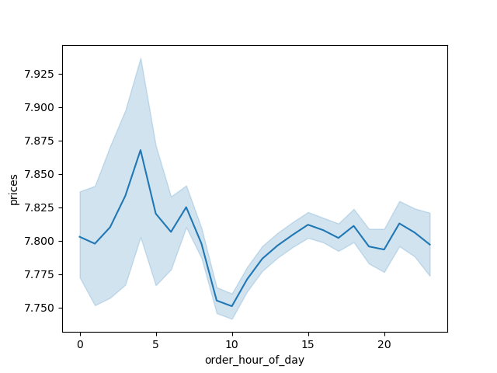

 |  |  |  |  |  | Peaks before 05:00 AM, drops to daily low during peak hours (09:00 to 16:00).

4. Customer spend per region?

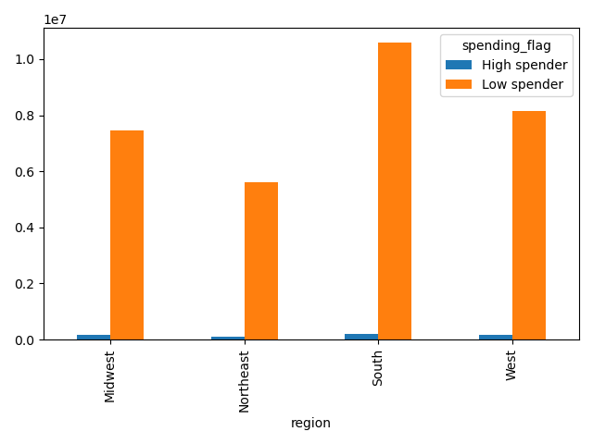
 |  |  |  |  |  | Proportions between low/high spenders are significant. Region with highest proportion of low spenders, 'South'.

5. Relationship between age and number of dependants?

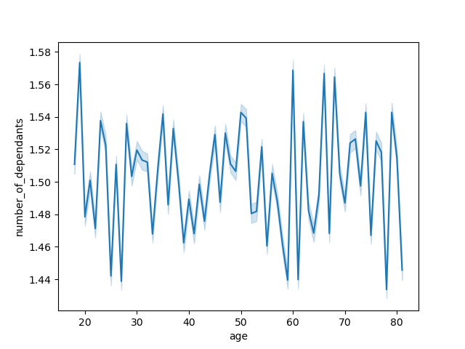

 |  |  |  |  |  | No significant relationship can be established.

6. Relationship between age and income?



 |  |  |  |  |  | As age increases, so does income.

7. Demographic segmentations? Diet preferences? Drinking preferences?

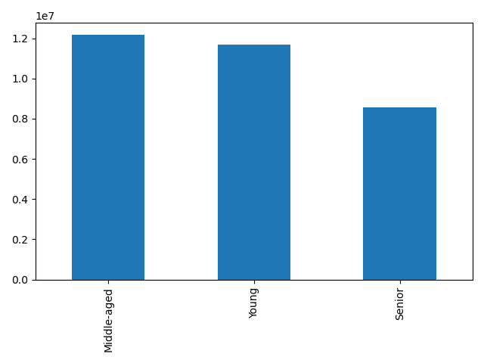
 |  |  |  |  |  | Young': 0-40, 'Middle-aged' 40-65, 'Senior' 65+. Majority of customers are middle-aged.

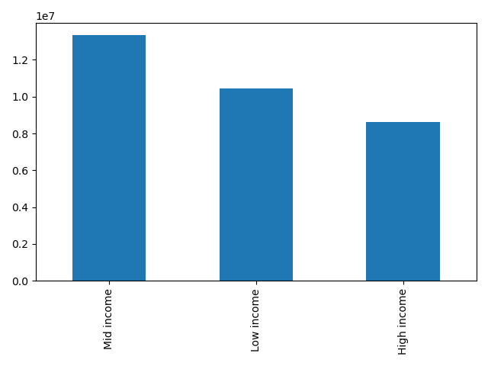
 |  |  |  |  |  | Low income': 0-$75000, 'Mid income' $75000-$125000, 'High income' $125000+. Majority of customers in the mid income bracket.

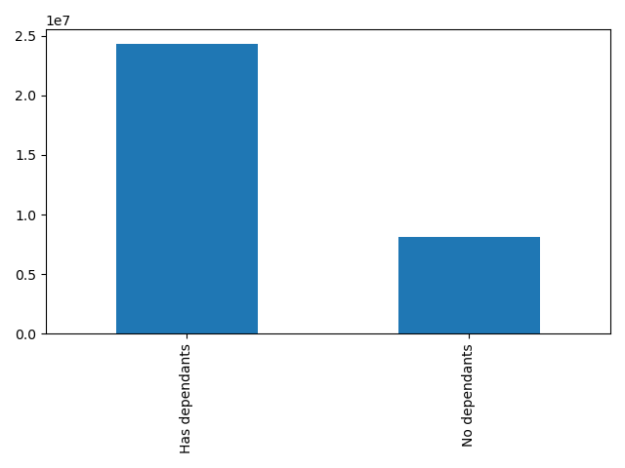
 |  |  |  |  |  | A majority of customers have dependents, indicating a significant number of dependents among the customer base.

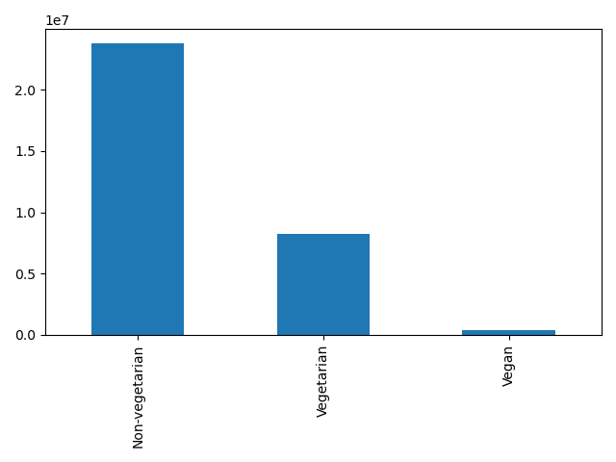
 |  |  |  |  |  | A majority of customers are non-vegetarian.

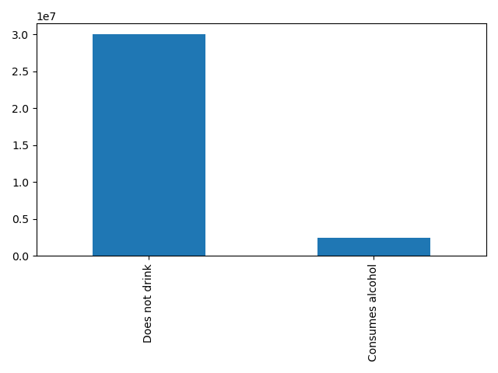
 |  |  |  |  |  | A majority of customers does not drink alcohol (suprisingly).

8. Customer loyalty?

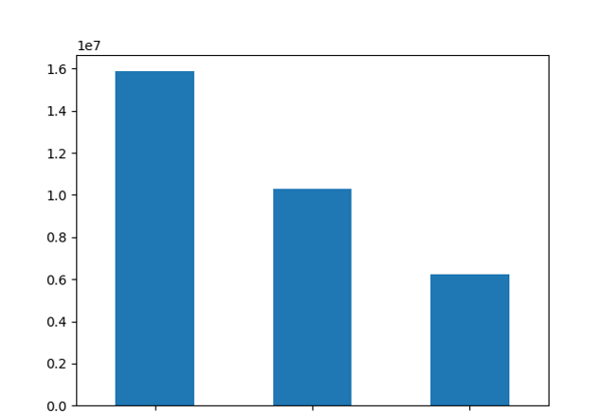

 |  |  |  |  |  | Loyal Customer' 40+ orders, 'Regular Customer' 10-40 orders, 'New Customer' less than 10 orders. A majority of customers are regular customers.

 | Regular Customer | Loyal Customer | New Customer

9. Regional customer profiles?

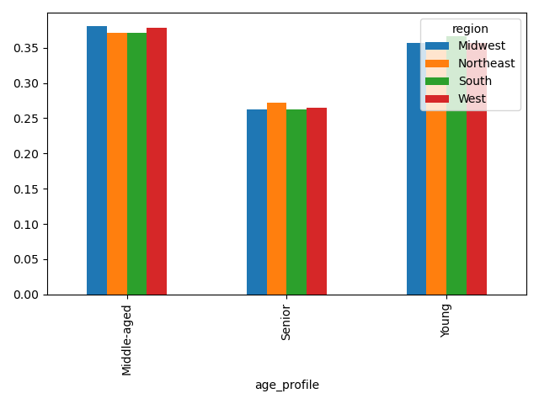
 |  |  |  |  |  | Regional, age profile.

 |  |  |  |  |  | Regional, spend profile.

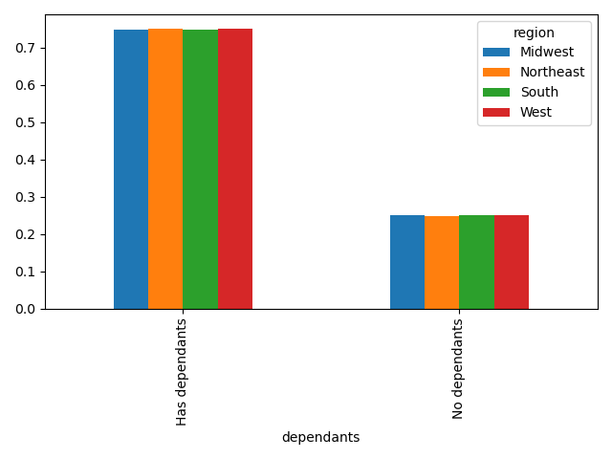
 |  |  |  |  |  | Regional, dependants profile.

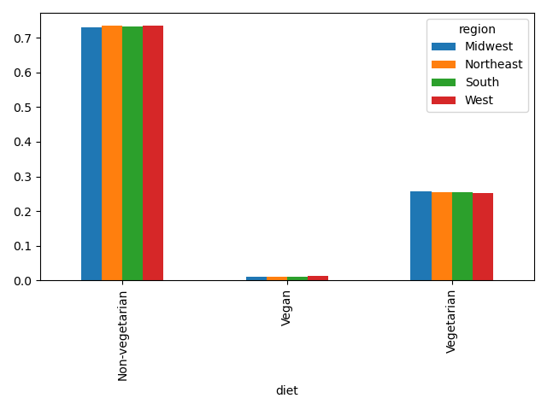
 |  |  |  |  |  | Regional, diet profile.

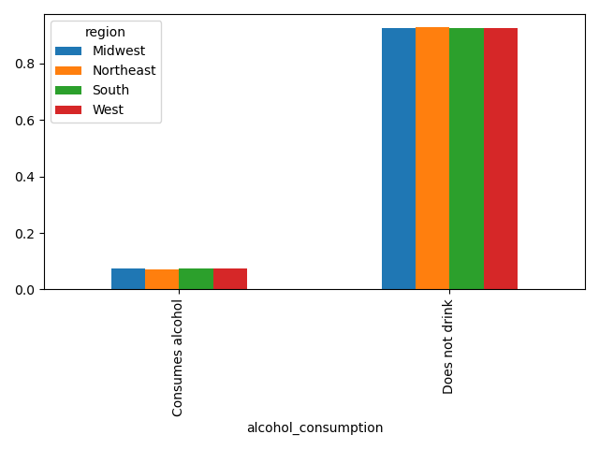
 |  |  |  |  |  | Regional, alcohol profile.

7. Recommendations
 |  |  | Title page

Recommendations

In this tab you should include any recommendations you would made to Instcart in terms of their marketing strategy based on the questions posed in the brief. Every key question has been covered in the Tasks of the Exercises - here you need to add an item - a visualisation or table/crosstable that is showing the answer in the data, acompanied by a comment from you. Please, list the questions below and add the answer underneath.

Question | Answer | Recommendation
1. Busiest days of the week? | High: Weekends, Saturday and Sunday. Low: Tuesday and Wednesday. | To increase revenue, I would recommend focusing marketing and promotional efforts on the busiest days of the week, particularly weekends (Saturday and Sunday). This could involve offering special deals, discounts, or exclusive offers specifically for those days to attract more customers and drive sales. Additionally, optimizing inventory management to ensure sufficient stock availability on high-demand days can help meet customer demands and avoid missed sales opportunities. Implementing targeted advertising campaigns and engaging customers through social media and email marketing can also help generate awareness and drive traffic to your business on these busy days, ultimately boosting revenue.
2. Busiest hours of the day? | Between 09:00 to 16:00. | To maximize revenue during the busiest hours of the day, I would recommend implementing strategies to increase customer engagement and encourage more sales. This can include offering time-limited promotions or discounts specifically for the peak hours between 09:00 to 16:00 to incentivize customers to make purchases during that time. Additionally, optimizing staffing levels during these hours to ensure efficient customer service and checkout processes can help minimize wait times and enhance the overall shopping experience. Creating targeted marketing campaigns to promote popular products or services during these hours can also drive customer interest and boost revenue. Finally, leveraging data analytics to identify customer preferences and shopping patterns during these peak hours can help tailor offerings and personalized recommendations to further enhance sales opportunities.
3. Order value by average price during the hours of the day? | Peaks before 05:00 AM, drops to daily low during peak hours (09:00 to 16:00). | To maximize revenue during peak hours (before 05:00 AM) and minimize revenue during the low periods (09:00 to 16:00), focus on promoting high-value products, implementing upselling and cross-selling techniques, offering time-limited promotions, providing personalized recommendations, and optimizing pricing strategies.
4. Customer spend per region? | Proportions between low/high spenders are significant. Region with highest proportion of low spenders, 'South'. | Consider implementing targeted marketing campaigns to incentivize higher spending, offering exclusive discounts or promotions, improving product assortment and availability, enhancing customer service to drive loyalty and repeat purchases, and analyzing customer feedback to identify areas for improvement. Additionally, conducting market research to understand the specific needs and preferences of customers in the South region can help tailor strategies to increase their spending.
5. Relationship between age and number of dependants? | No significant relationship can be established. | Since no significant relationship can be established between age and the number of dependants, focusing on age-specific marketing or targeting strategies may not be effective for revenue generation. Instead, it would be more beneficial to prioritize other customer segmentation variables or strategies that show a stronger correlation with revenue, such as customer spending patterns, purchasing behavior, or product preferences. Conducting market research and analyzing customer data in these areas can provide valuable insights to drive revenue growth.
6. Relationship between age and income? | As age increases, so does income. | Given that there is a positive relationship between age and income, it would be recommended to target age segments with higher income levels for revenue generation. This could involve tailoring marketing strategies, product offerings, or pricing strategies to cater to the needs and preferences of customers in higher income brackets. Additionally, conducting further analysis to understand the specific income distribution within different age groups can provide insights for more targeted and effective revenue generation strategies.
7. Demographic segmentations? Diet preferences? Drinking preferences? | Young': 0-40, 'Middle-aged' 40-65, 'Senior' 65+. Majority of customers are middle-aged. | Considering the demographic segmentation based on age, with the majority of customers falling into the middle-aged category, it would be recommended to focus on targeting this segment for revenue generation efforts. This can involve developing products, services, and marketing campaigns that cater to the needs and preferences of middle-aged individuals. Additionally, understanding the diet preferences and drinking preferences of customers can help tailor offerings to align with their specific requirements, thereby enhancing customer satisfaction and potentially driving revenue growth.

